1. Title Page
Instacart Basket Analysis

Project Name: Instacart Basket Analysis
Date: 8/13/2024
Analyst Name: Liv Balistreri

Contents:
Population Flow
Consistency checks
Wrangling steps
Column derivations
Visualizations
Recommendations

2. Population Flow
 |  |  | Title page

Population flow

Exclusion flag
Condition: max_order <
Obervations to be removed:
Final total count of order_products_all:

Orders_products_combined
Orders_products_merged
Orders_products_all

Total:
Total:
Total:
32434489 | 32484166 | 34383069

1.) The grey boxes in the first row of the population flow represent the original data sets as they were when you downloaded them. In the Total fields you need to add the count of the rows when you imported the data set into Jupyter.
2.) The second row of boxes (coloured) represents the data sets after you manipulated them, e.g., removed missing values and duplicates. In the Total fields you need to add the count of the rows after conducting these operations. This offers a visual oveview of how the data flows throughout the data consistency checks.
3.) The third row, where also the arrows are coloured, represents the merges you performed between the datasets. In the Total fields you need to add the count of the rows in the merged datasets, so that you end up with the final dataset (in the red box). Keep in mind the final dataset should be without exclusions (based on the exclusion flag).

3. Consistency checks
 |  |  |  | Title page
Consistency checks

Dataset | Missing values | Missing values treatment | Duplicates
orders | 206209 in days since order | add the mean to missing values | 0
products | 16 in product name | deleted and created new df | 5
orders_products_prior |  |  | 0
customers | 11259 in first_name | decided to leave since that column will likely not be important | 0
combined all | low spender in spending rates excluded | since this data was not needed I exported a csv of said data and excluded it from the df

4. Wrangling steps
 |  |  |  | Title page
Wrangling steps

Columns dropped | Columns renamed | Columns' type changed | Comment/Reason
eval_set from orders.csv | order_dow : orders_day_of_week | order_id to str | eval not need/ column name more clear/ data is categorical and non-numeric
 | days_since_prior_order : days_since_order | user_id to str | column name more concise/categorical data
 | First Name : first_name | order_number to str | categorical data
 | Surnam : last_name | orders_day_of_week | categorical data
 | Gender ; gender
 | STATE ; state
 | Age : age
 | n_dependants : dependants

5. Column derivations
 |  |  |  | Title page

Column derivations and aggregations

In this tab you should add tables below that the frequences of flags/label variables that you produced after deriving them. NB: don't do this for continuous variables, only for flags.
Dataset | New column | Column/s it was derived from | Conditions
ords_prods_merge | busiest_period_of_day | order_hour_of_day | eight highest hours = most orders eigh middle hours = average and lowest 8 = fewest orders
ords_prods_merge | day_category | orders_day_of_week | 0 = busiest day 4 = least busy else = regularly busy
ords_prods_merge | busiet_day | orders_day_of_week | value 0,1 = busiest day value 4.3 = least busy else = regularly busy
ords_prods_merge | price_label | prices | price <=5 low range, price >5 <=15 mid price >15 high range
orders_products_cst_all.pkl | max_price | spending_rates | > 5 = regular spender <= 5 = low spender
 | age | age_group | <= 25 = young adult, >25 < 65= adult, >= 65 senior
 | income | income_group | <= 50k = low , >50k <= 100k = middle , >100k = high
 | dependants | dedendant_flag | > 0 = has dependants == 0 no dependants
 | customer_frequency | frequency_flag | > 20 = non frequent customer , > 10 <= 20 regular customer, <= 10 frequent customer

6. Visualizations
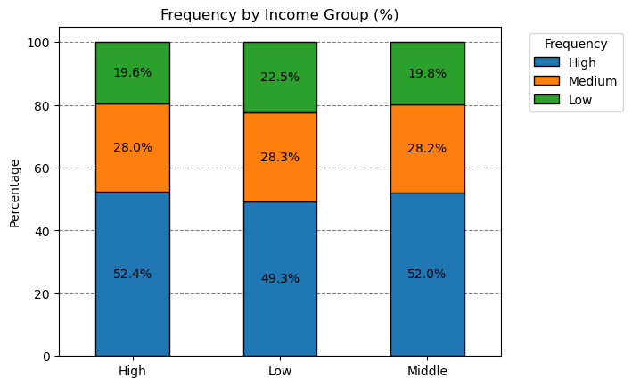
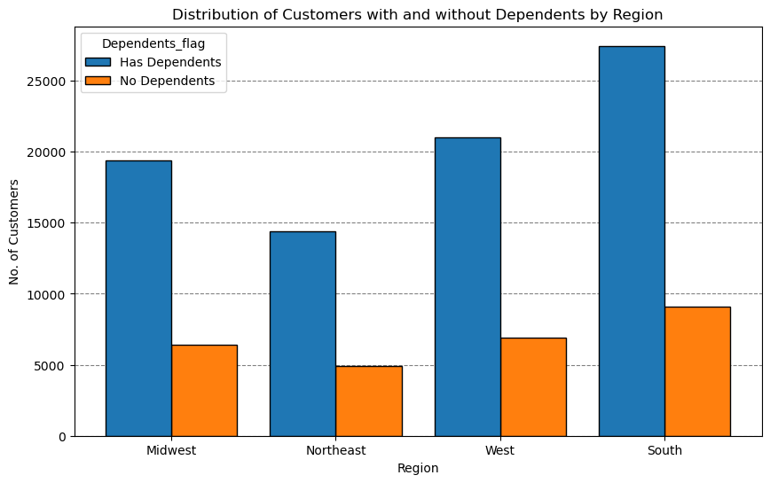
 |  |  |  |  | Title page

Visualisations

In this tab you should include all the visualtions from Exercises 4.9 and 4.10, alongside the questions from the project brief that they answer. Include any commentary on the relationship between different variables.

1. The sales team needs to know what the busiest days of the week and hours of the day
are (i.e., the days and times with the most orders) in order to schedule ads at times
when there are fewer orders.




 |  |  | Orders Day of week legend
 |  |  | # | Day
 |  |  | 0 | Saturday
 |  |  | 1 | Sunday
 |  |  | 2 | Monday
 |  |  | 3 | Tuesday
 |  |  | 4 | Wednesday
 |  |  | 5 | Thursday
 |  |  | 6 | Friday

Comments
The busiest days of the week are Saturday and Sunday between 8am and 4pm. The least busy days are Tuesday and Wednesday from 1 am to 5 am.

2. They also want to know whether there are particular times of the day when people spend the most money, as this might inform the type of products they advertise at these times

Prices by order hour of the day

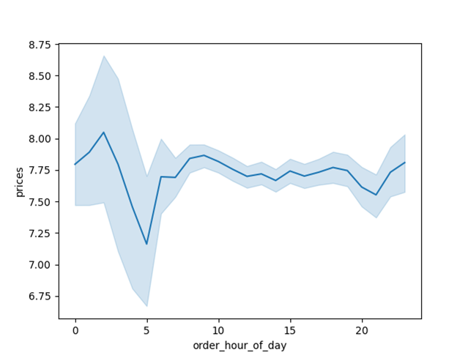
 |  | Comments
 |  | People spend the most money between 8am and 4 pm
 |  | It might be wise to advertise certain products during this time.

3. Are there certain types of products that are more popular than others? The marketing and sales teams want to know which departments have the highest frequency of product orders.

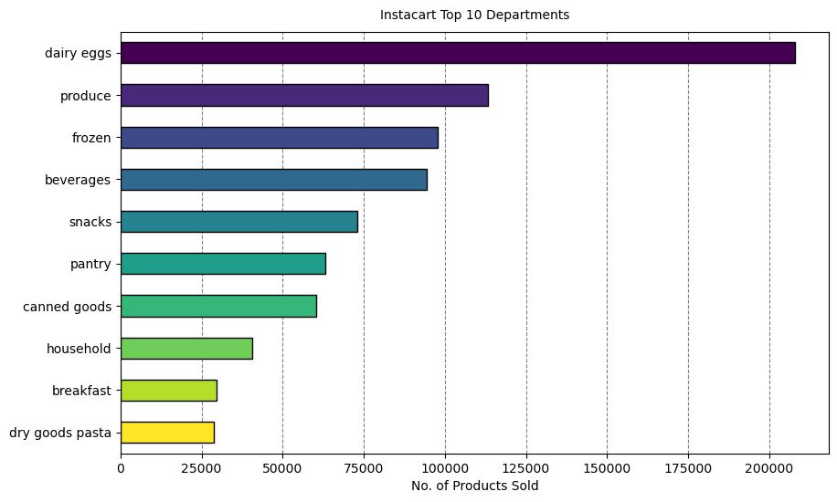
 |  | Comments
 |  | We can see the most popular products are dairy/eggs and produce.
 |  | Followed by products from frozen, beverages, and snack departments.

4. What’s the distribution among users in regards to their brand loyalty (i.e., how often do they return to Instacart)?

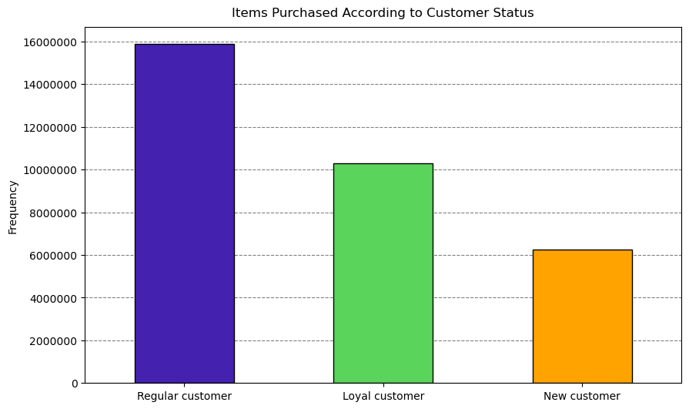
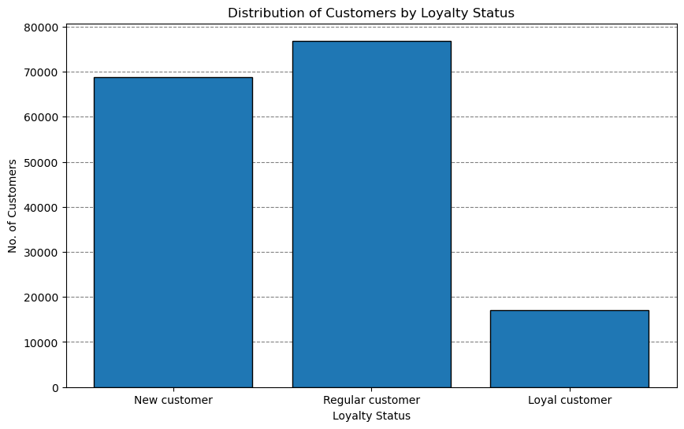
 | Comments
 | These graphs show loyalty staus
 | and whether it affects orders
 | we can see on the right that there
 | are more new customers and regular
 | customers compared to loyal customers
 | We can also see that the regular
 | customers are more inclined to order more
 | items that the other two brackets.
 | This might be explained because of the
 | shear number of regular customers.

5. Instacart has a lot of products with different price tags. Marketing and sales want to use simpler price range groupings to help direct their efforts

Comments
Based on the graph, the more popular products are sold in the 'Mid-range' price and the 'High-range' products seem to be least sold

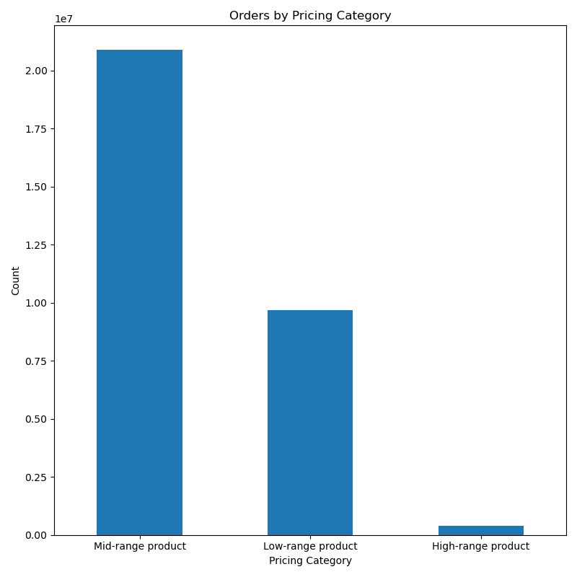

6. Are there differences in ordering habits based on a customer’s region?

Comments
The charts show sales are proprtional across the regions. Sales seem to be the highest in the south.
We also see what the high income bracket has the hiset amount of customers in each region

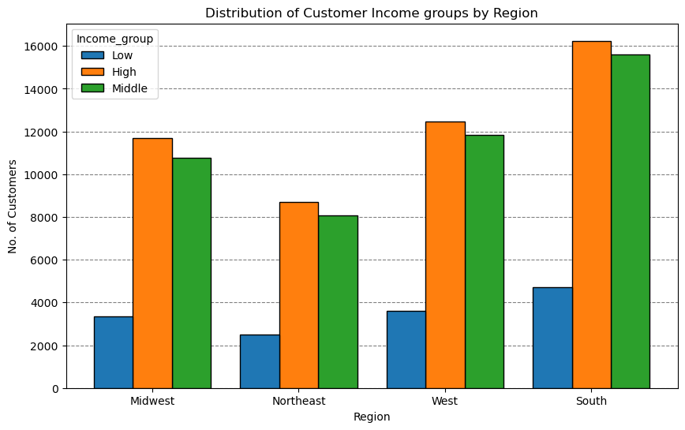
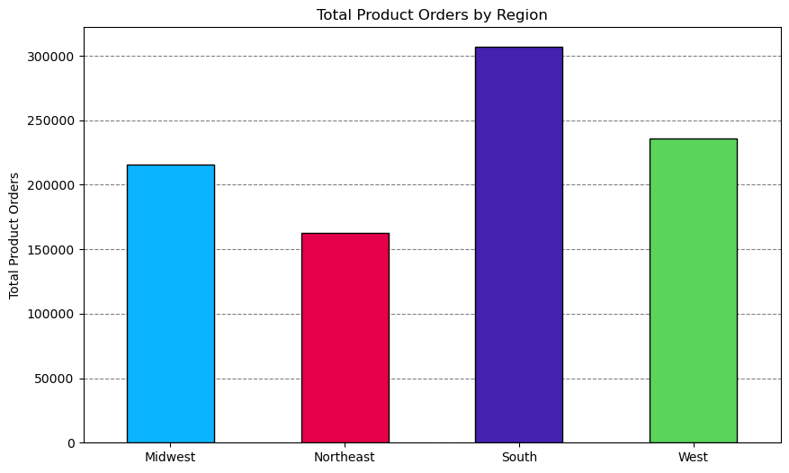

7. Is there a connection between income and regions in terms of ordering habits?

Comments
Here we can see how income and region affect our customers.
Income: It seems that those in high income brackets are our more frequent users
Region: It seems that across all regions we have more customers with dependants than we do without
We also see the south with the highest order count followed by the west.
Income |  | Region

7. Recommendations
 |  |  | Title page

Recommendations

In this tab you should include any recommendations you would made to Instcart in terms of their marketing strategy based on the questions posed in the brief. Every key question has been covered in the Tasks of the Exercises - here you need to add an item - a visualisation or table/crosstable that is showing the answer in the data, acompanied by a comment from you. Please, list the questions below and add the answer underneath.

Question |  | Answer
Key Question 1 | 1. The sales team needs to know what the busiest days of the week and hours of the day | 1. The busiest days of the week are Saturday and Sunday between 8am and 4pm. The least busy days are Tuesday and Wednesday from 1 am to 5 am.
 | are (i.e., the days and times with the most orders) in order to schedule ads at times | Instacart should schedule ads on Saturday and Sunday to try and increase sales on orders that are being placed. There should also be ads on
 | when there are fewer orders. | Tuesday and Wednesday to try and draw more orders out of customers.

Key Question 2 | 2. They also want to know whether there are particular times of the day | 2. The customers are spending most of their money between 8am and 4pm. |  | Instacart should advertise at this time any specific products that they want to push
 | when people spend the most money, as this might inform the type of
 | products they advertise at these times

Key Question 3 | 3. Are there certain types of products that are more popular than others? The marketing | 3. The most popular products are dairy/eggs, produce, beverages , snacks, and frozen food. Instacart should consider special deals for these categories to keep customer retention high.
 | and sales teams want to know which departments have the highest frequency of product
 | orders

Key Question 4 | 4. What’s the distribution among users in regards to their brand loyalty | 4. Instacart has a large amount of regular customers and new customers. There should be an incentive to try and reward new customers into becoming regular customers as well as a reward/incentive for regular customers to keep them/bump them up to loyal.
 | (i.e., how often do they return to Instacart)?

Key Question 5 | 5. Instacart has a lot of products with different price tags. | 5. Most of the products sold are in the mid tier price range. Instacart should incentivize these products as well are advertise them to keep drawing the customers' attention.
 | Marketing and sales want to use simpler price range groupings to help direct their efforts

 |  | 6. The south is the region with the most orders and the high income brackets hold the most customers in each region.
Key Question 6 | 6. Are there differences in ordering habits based on a customer’s region? | The region that is runner up is the west so Instacart should look to advertise more heavily there to try and get more customers

Key Question 7 | 7. Is there a connection between age and family status in terms of ordering habits? | 7. It seems that across all regions we have more customers with dependants than we do without
 |  | We also see the south with the highest order count followed by the west.
 |  | It seems that those in high income brackets are our more frequent users
 |  | Similar to my last recommendation we should focus on advertising to the west to gain more customers
 |  | We can also reward those in middle and high income brackets since they make up most of our customer count.

